2nd level OCP control
Control sequence

System
un-plugged
System
un-plugged
System Plugged

PSID
0V
No matter PSID is High or low

950mS

LEVEL 1
LEVEL2

OCP LEVEL

New PSID code
E5 | New PSID implementation guide

Purpose:
Add “E4A” in PSID chip as EC/BIOS recognized code to enable turbo mode of Haswell platforms.
Set “E05” address be after Checksum to avoid backward compatibility concern.
Document No: J0715

Table Contents of ID Chip
The contents of the ID memory chip are described in the table below.

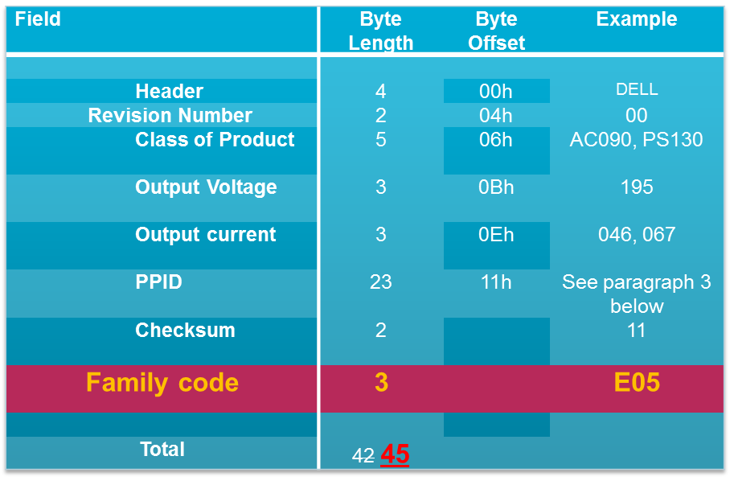

new

E05

2
Confidential
Client SME Engineering

